Screenshot
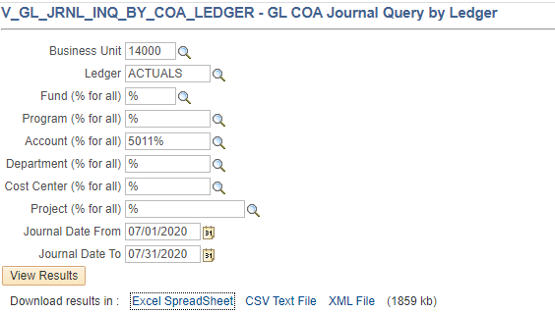

July 79999
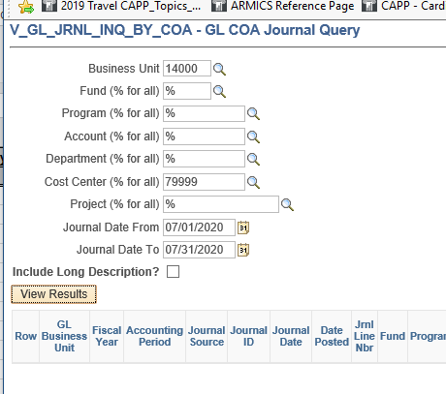
GL COA Journal Query | 2
GL Business Unit | Fiscal Year | Accounting Period | Journal Source | Journal ID | Journal Date | Date Posted | Jrnl Line Nbr | Fund | Program | Account | Department | Cost Center | Task | PC Bus Unit | Project | Activity | FIPS | Asset | Agency Use 1 | Agency Use 2 | Amount | Journal Line Reference | Jrnl Line Description | Long Description (if included)
14000 | 2021 | 1 | AP | AP01567256 | 2020-07-20 | 2020-07-20 | 11 | 01000 | 399002 | 5012520 | 99999 | 79999 |  |  |  |  |  |  |  |  | 191.67 | 00022800 | Office Rentl & Wirelss Charges | Not included
14000 | 2021 | 1 | AP | AP01567256 | 2020-07-20 | 2020-07-20 | 20 | 01000 | 399002 | 5015380 | 99999 | 79999 |  |  |  |  |  |  |  |  | 383,758.20 | 00022800 | Office Rentl & Wirelss Charges | Not included

